Introduction
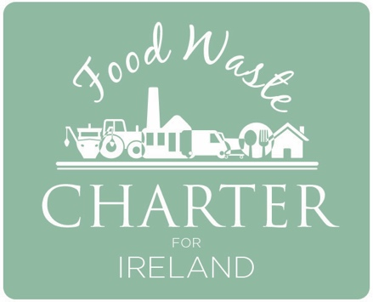 Food and drink manufacturing EPA food waste measurement protocol and reporting template
This template is to be used by food and drink manufacturers to report on their food waste.
It is also intended as a means of keeping track of progress towards food waste reduction targets under the Food Waste Charter for Ireland.

How to start – go to the tab ‘Users Guide’, follow the steps listed, and fill in as appropriate. Further User Guidance and information about the Food and Drink Manufacturing Food Waste Protocol is available in the Resources section of www.foodwastecharter.ie
CIRCULAR ECONOMY PROGRAMME
The Driving Force for Ireland’s Move to a Circular Economy

